3.9
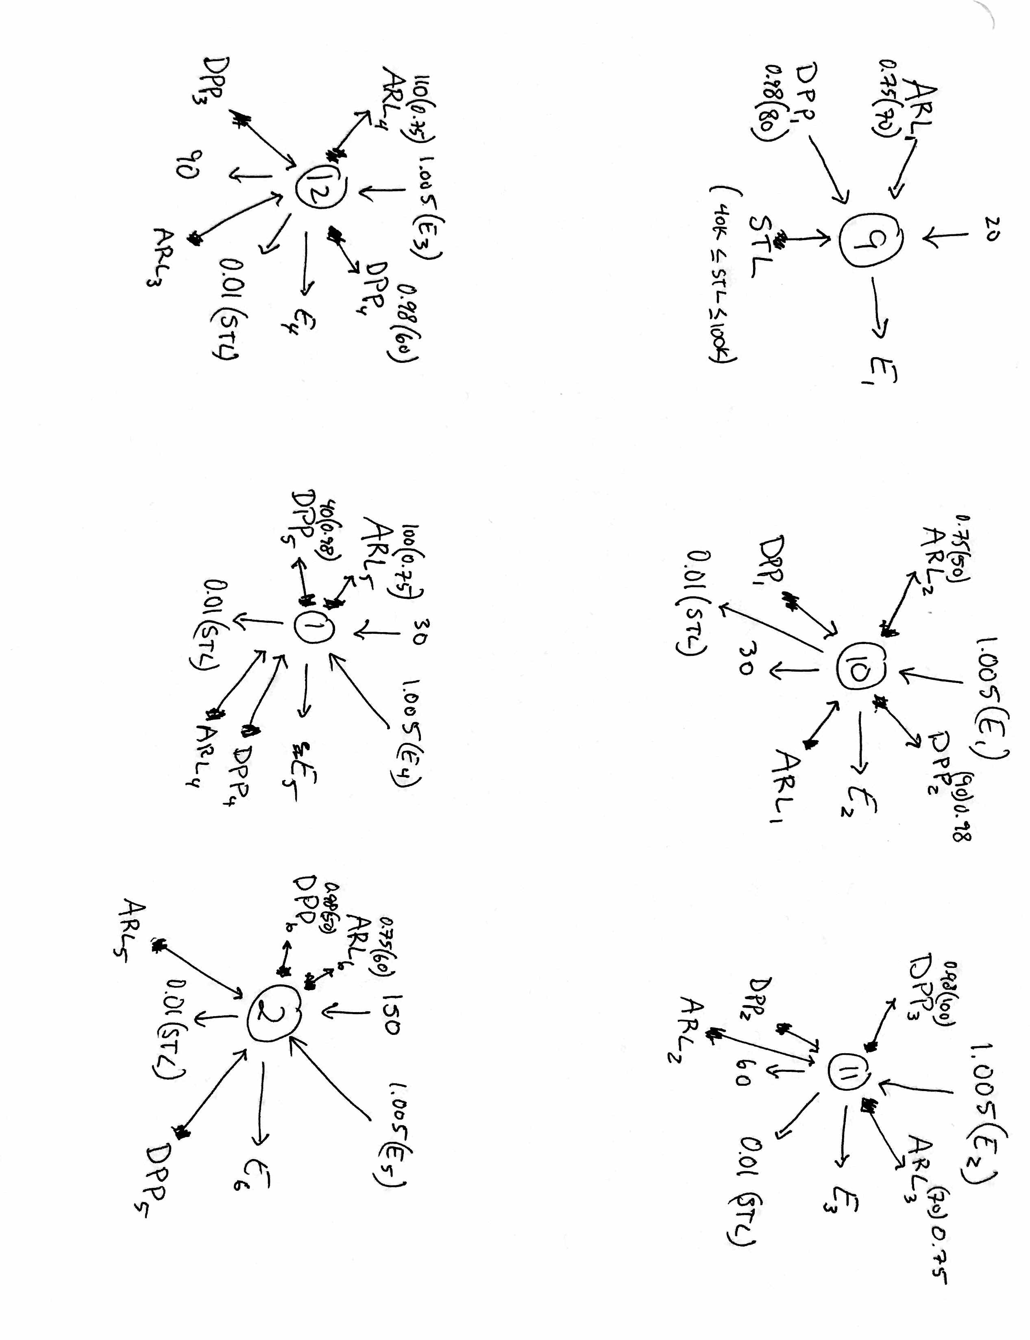
Business as Usual
Month | September | October | November | December | January | Feburary
Surplus | $20.00 | - | - | - | $30.00 | $150.00
Deficit | - | $30.00 | $60.00 | $90.00 | - | -
 |  |  |  |  |  |  | Decision Variables | STL | ARL1 | ARL2 | ARL3 | ARL4 | ARL5 | ARL6 | DPP1 | DPP2 | DPP3 | DPP4 | DPP5 | DPP6 | E1 | E2 | E3 | E4 | E5 | E6 | Total
 |  |  |  |  |  |  |  | 70.657844895 | 0 | 0 | 0 | 82.5 | 62.818138091 | 0 | 0 | 0 | 0 | 8.3740596418 | 0 | 0 | 90.657844895 | 60.404555671 | 0 | 0 | 0 | 85.533011389 | 14.596253102
Predicted Balance |  |  |  |  |  |  | Bounds | 100000 | 52.5 | 37.5 | 52.5 | 82.5 | 75 | 37.5 | 78.4 | 88.2 | 98 | 58.8 | 39.2 | 49
Month | September | October | November | December | January | February | Lower Bound | 40000
Balance | 70 | 50 | 70 | 110 | 100 | 50 | Limit |  | 70 | 50 | 70 | 110 | 100 | 50 | 80 | 90 | 100 | 60 | 40 | 50

Predicted Payment Schedule
Month | September | October | November | December | January | February | Objective | 14.596253102
Payment | 80 | 90 | 100 | 60 | 40 | 50

3.9)
Spencer Bertsch
Recieved Advice From:
Santiago Correa
Amritansh Varshney
Gustavo Costa
Discussed with:
Ben Rosen
 |  |  |  |  |  |  | Constraints
 |  |  |  |  |  |  | 2018-09-01 | 1 | 1 | 0 | 0 | 0 | 0 | 0 | 0.98 | 0 | 0 | 0 | 0 | 0 | -1 | 0 | 0 | 0 | 0 | 0 | 0 | -20 | = | -20
 |  |  |  |  |  |  | 2018-10-01 | -0.01 | -1.015 | 1 | 0 | 0 | 0 | 0 | -1 | 0.98 | 0 | 0 | 0 | 0 | 1.005 | -1 | 0 | 0 | 0 | 0 | 0 | 30 | = | 30
 |  |  |  |  |  |  | 2018-11-01 | -0.01 | 0 | -1.015 | 1 | 0 | 0 | 0 | 0 | -1 | 0.98 | 0 | 0 | 0 | 0 | 1.005 | -1 | 0 | 0 | 0 | 0 | 60 | = | 60
 |  |  |  |  |  |  | 2018-12-01 | -0.01 | 0 | 0 | -1.015 | 1 | 0 | 0 | 0 | 0 | -1 | 0.98 | 0 | 0 | 0 | 0 | 1.005 | -1 | 0 | 0 | 0 | 90 | = | 90
 |  |  |  |  |  |  | 2019-01-01 | -0.01 | 0 | 0 | 0 | -1.015 | 1 | 0 | 0 | 0 | 0 | -1 | 0.98 | 0 | 0 | 0 | 0 | 1.005 | -1 | 0 | 0 | -30 | = | -30
 |  |  |  |  |  |  | 2019-02-01 | -0.01 | 0 | 0 | 0 | 0 | -1.015 | 1 | 0 | 0 | 0 | 0 | -1 | 0.98 | 0 | 0 | 0 | 0 | 1.005 | -1 | 0 | -150 | = | -150
 |  |  |  |  |  |  | 2019-03-01 | -1.01 | 0 | 0 | 0 | 0 | 0 | -1.015 | 0 | 0 | 0 | 0 | 0 | -1 | 0 | 0 | 0 | 0 | 0 | 1.005 | -1 | -4.4408920985E-14 | = | 0

 |  |  |  |  |  |  |  |  |  |  |  |  |  |  |  |  |  |  |  |  |  |  |  |  |  |  | cost | -20
 |  |  |  |  |  |  | 3.9 a) | The cost of the plan is $20,000
 |  |  |  |  |  |  |  | Maximum funds on hand after Feb.:$14,596

 |  |  |  |  |  |  | 3.9 b) | See drawn network diagram below. Note that several of these cash flows will be zero (seen above in the decision variables in yellow.)
 |  |  |  |  |  |  |  | The zero flows could be left out, but for completeness I left them in. The '9' node represents the start of the 9th month (September) and each
 |  |  |  |  |  |  |  | subsequent node represents the beginning of the following month.

4.6
Stock | S1 | S2 | S3 | H1 | H2 | H3 | C1 | C2
Price Per Share | $40.00 | $50.00 | $80.00 | $60.00 | $45.00 | $60.00 | $30.00 | $25.00
Growth Rate | 0.05 | 0.1 | 0.03 | 0.04 | 0.07 | 0.15 | 0.22 | 0.25 |  |  |  | Question 4.6)
Dividend | $2.00 | $1.50 | $3.50 | $3.00 | $2.00 | $1.00 | $1.80 | $- |  |  |  | a)
 |  |  |  |  |  |  |  |  |  |  |  | Total Return: | $389,458.33
 |  |  |  |  |  |  |  |  |  |  |  | S1 | S2 | S3 | H1 | H2 | H3 | C1 | C2
 |  |  |  |  |  |  |  |  |  |  | Amount of Stock | 2500 | 6000 | 1250 | 1666.6666667 | 2222.2222222 | 13333.333333 | 30000 | 4000
Decision Variables |  |  |  |  |  |  |  |  |  |  | Amount Invested | $100,000.00 | $300,000.00 | $100,000.00 | $100,000.00 | $100,000.00 | $800,000.00 | $900,000.00 | $100,000.00
Amount of Stock | 7500 | 6000 | 3750 | 5000 | 6666.6666667 | 5000 | 13333.333333 | 12000 | TOTAL INVESTED
Amount Invested | $300,000.00 | $300,000.00 | $300,000.00 | $300,000.00 | $300,000.00 | $300,000.00 | $400,000.00 | $300,000.00 | $2,500,000.00 |  |  | b)
Optimal Dollar Return vs. Minimum Investment Floow
 |  |  |  |  |  |  |  |  |  |  |  | Minimum Investment Floor | Optimal Dollar Return
 |  |  |  |  |  |  |  |  |  |  |  | 100000 | 487152.77778
Objective Function |  |  |  |  |  |  |  |  |  |  |  | 120000 | 482250
Growth Return | $15,000.00 | $30,000.00 | $9,000.00 | $12,000.00 | $21,000.00 | $45,000.00 | $88,000.00 | $75,000.00 |  |  |  | 140000 | 477347.22222
Dividend | $15,000.00 | $9,000.00 | $13,125.00 | $15,000.00 | $13,333.33 | $5,000.00 | $24,000.00 | $- | TOTAL RETURN |  |  | 160000 | 472444.44444
TOTAL: | $30,000.00 | $39,000.00 | $22,125.00 | $27,000.00 | $34,333.33 | $50,000.00 | $112,000.00 | $75,000.00 | $389,458.33 |  |  | 180000 | 466075
 |  |  |  |  |  |  |  |  |  |  |  | 200000 | 458972.22222
 |  |  |  |  |  |  |  |  |  |  |  | 220000 | 451869.44444
Constraints |  |  |  |  |  |  |  |  |  |  |  | 240000 | 444766.66667
 |  |  |  |  |  |  |  |  |  |  |  | 260000 | 430863.88889
 | Investment Ceiling |  |  |  |  | $2,500,000.00 | <= | $2,500,000.00 |  |  |  | 280000 | 410161.11111
 | Software Limit |  |  |  |  | $900,000.00 | <= | $1,000,000.00 |  |  |  | 300000 | 389458.33333
 | Hardware Limit |  |  |  |  | $900,000.00 | <= | $1,000,000.00
 | Internet Limit |  |  |  |  | $700,000.00 | <= | $1,000,000.00
 | S1 Min Investment |  |  |  |  | $300,000.00 | >= | $100,000.00 |  | 100000
 | S2 Min Investment |  |  |  |  | $300,000.00 | >= | $100,000.00
 | S3 Min Investment |  |  |  |  | $300,000.00 | >= | $100,000.00 |  |  |  | c) Below we can see the dollar amounts invested in each stock as the miimum investment floor is varied between 100K and 300K
 | H1 Min Investment |  |  |  |  | $300,000.00 | >= | $100,000.00 |  |  | Investment Floor | S1 | S2 | S3 | H1 | H2 | H3 | C1 | C2
 | H2 Min Investment |  |  |  |  | $300,000.00 | >= | $100,000.00 |  |  | 100000 | $100,000.00 | $300,000.00 | $100,000.00 | $100,000.00 | $100,000.00 | $800,000.00 | $900,000.00 | $100,000.00
 | H3 Min Investment |  |  |  |  | $300,000.00 | >= | $100,000.00 |  |  | 120000 | $120,000.00 | $260,000.00 | $120,000.00 | $120,000.00 | $120,000.00 | $760,000.00 | $880,000.00 | $120,000.00
 | C1 Min Investment |  |  |  |  | $400,000.00 | >= | $100,000.00 |  |  | 140000 | $140,000.00 | $220,000.00 | $140,000.00 | $140,000.00 | $140,000.00 | $720,000.00 | $860,000.00 | $140,000.00
 | C2 Min Investment |  |  |  |  | $300,000.00 | >= | $100,000.00 |  |  | 160000 | $160,000.00 | $180,000.00 | $160,000.00 | $160,000.00 | $160,000.00 | $680,000.00 | $840,000.00 | $160,000.00
 |  |  |  |  |  |  |  |  |  |  | 180000 | $180,000.00 | $180,000.00 | $180,000.00 | $180,000.00 | $180,000.00 | $600,000.00 | $820,000.00 | $180,000.00
 |  |  |  |  |  |  |  |  |  |  | 200000 | $200,000.00 | $200,000.00 | $200,000.00 | $200,000.00 | $200,000.00 | $500,000.00 | $800,000.00 | $200,000.00
 |  |  |  |  |  |  |  |  |  |  | 220000 | $220,000.00 | $220,000.00 | $220,000.00 | $220,000.00 | $220,000.00 | $400,000.00 | $780,000.00 | $220,000.00
 |  |  |  |  |  |  |  |  |  |  | 240000 | $240,000.00 | $240,000.00 | $240,000.00 | $240,000.00 | $240,000.00 | $300,000.00 | $760,000.00 | $240,000.00
 |  |  |  |  |  |  |  |  |  |  | 260000 | $260,000.00 | $260,000.00 | $260,000.00 | $260,000.00 | $260,000.00 | $260,000.00 | $680,000.00 | $260,000.00
 |  |  |  |  |  |  |  |  |  |  | 280000 | $280,000.00 | $280,000.00 | $280,000.00 | $280,000.00 | $280,000.00 | $280,000.00 | $540,000.00 | $280,000.00
 |  |  |  |  |  |  |  |  |  |  | 300000 | $300,000.00 | $300,000.00 | $300,000.00 | $300,000.00 | $300,000.00 | $300,000.00 | $400,000.00 | $300,000.00

4.4
Decision Variables
 | Make Electronic | Make Battery | Buy Electronic | Buy Battery
 | 6666.7 | 10000.0 | 13333.3 | 0.0
 |  |  |  |  |  | Cost to Buy | $286,666.67
Parameters |  |  |  |  |  | Cost to Make | 285333.33333
 | Department | Monthly Hours Available | Hours/Unit (Electronic) | Hours/Unit (Battery) |  | Total Cost | $572,000.00
 | Fabrication | 2000 | 0.15 | 0.1 |  | Revenue | $870,000.00
 | Assembly | 4200 | 0.2 | 0.2 |  | Profit | $298,000.00
 | Shipping | 2500 | 0.1 | 0.15
 | Variable Cost/unit |  | $18.80 | $16.00
 | Retail Price |  | $29.50 | $28.00

Constraints
Maximum Buying Power |  |  |  |  | 13333 | <= | 20000 | Shipping Capacity (Hours) | Objective Profit | Make Electronic | Make Battery | Buy Electronic | Buy Batytery
Monthly Fabricatio Hours |  |  |  |  | 2000 | <= | 2000 | 1200 | $263,200.00 | 6000.0 | 4000.0 | 14000.0 | 6000.0
Assembly Hours |  |  |  |  | 3333 | <= | 4200 | 1300 | $268,800.00 | 4000.0 | 6000.0 | 16000.0 | 4000.0
Shipping Hours (Capacity) |  |  |  |  | 2167 | <= | 1200 | 1400 | $274,400.00 | 2000.0 | 8000.0 | 18000.0 | 2000.0
Electronic Demand |  |  |  |  | 20000 | <= | 20000 | 1500 | $280,000.00 | 0.0 | 10000.0 | 20000.0 | 0.0
Battery Demand |  |  |  |  | 10000 | <= | 10000 | 1600 | $282,700.00 | 1000.0 | 10000.0 | 19000.0 | 0.0
 |  |  |  |  |  |  |  | 1700 | $285,400.00 | 2000.0 | 10000.0 | 18000.0 | 0.0
 |  |  |  |  |  |  |  | 1800 | $288,100.00 | 3000.0 | 10000.0 | 17000.0 | 0.0
 |  |  |  |  | formula |  | parameter | 1900 | $290,800.00 | 4000.0 | 10000.0 | 16000.0 | 0.0
 |  |  |  |  |  |  |  | 2000 | $293,500.00 | 5000.0 | 10000.0 | 15000.0 | 0.0
4.4 (a)
Worked with Ben Rosen
Maximum Profit: $298,000.00
Make Electronic: 6666.66
Buy Electronic: 13333.33
Make Battery: 10000
Buy Battery: 0
b) See table to the right and plot showing how optimal output vs. Shipping Capacity
 |  |  |  |  |  |  |  | 2100 | $296,200.00 | 6000.0 | 10000.0 | 14000.0 | 0.0
 |  |  |  |  |  |  |  | 2200 | $298,000.00 | 6666.7 | 10000.0 | 13333.3 | 0.0
 |  |  |  |  |  |  |  | 2300 | $298,000.00 | 6666.7 | 10000.0 | 13333.3 | 0.0
 |  |  |  |  |  |  |  | 2400 | $298,000.00 | 6666.7 | 10000.0 | 13333.3 | 0.0

Optimal Output vs. Shipping Capacity

3.18
3.18)
Spencer Bertsch
-Worked with Ben Rosen
-Recievec advice from Gustavo C.
a) After five years, our investment account is worth about $120,106.00
b) See diagram below.
Decision Varibales
 | A1 | A2 | A3 | A4 | HOLD | B1 | B2 | B3 | B4 | B5 | C | D | Final Cash
 | 0 | 0 | 0 | 0 | 72.352941176 | 17.647058824 | 0 | 0 | 0 | 0 | 72.352941176 | 0 | 120.10588235

Year |  |  |  |  |  |  |  |  |  |  |  |  | CASH FLOW
0 | 1 | 0 | 0 | 0 | 1 | 1 | 0 | 0 | 0 | 0 | 0 | 0 | 0 | 90 | = | 90
1 | 0 | 1 | 0 | 0 | -1 | 0 | 1 | 0 | 0 | 0 | 1 | 0 | 0 | 0 | = | 0
2 | -1.2 | 0 | 1 | 0 | 0 | 0 | 0 | 1 | 0 | 0 | 0 | 0 | 0 | 0 | = | 0
3 | 0 | -1.2 | 0 | 1 | 0 | -1.36 | 0 | 0 | 1 | 0 | 0 | 0 | 0 | -24 | = | -24
4 | 0 | 0 | -1.2 | 0 | 0 | 0 | -1.36 | 0 | 0 | 1 | 0 | 1 | 0 | 0 | = | 0
5 | 0 | 0 | 0 | -1.2 | 0 | 0 | 0 | -1.36 | 0 | 0 | -1.66 | -1.12 | 1 | -1.4210854715E-14 | = | 0

Objective Function
Final Cash | 120.10588235

$17,647 into B1
$72,353 into C
C

Year 0
Year 1
Year 2
Year 3
Year 4
Year 5

B1

$24,000
$120,106

